Sheet1
Observation Number | Hydrocarbon Level (X) | Purity (Y) | xy | x^2 | y^2 | (Xi-Xbar) | (Yi-Ybar) | (Xi-Xbar)^2 | (Xi-Xbar)*(Yi-Ybar) | Y-pred = 74.28 + 14.95X | Error | Error^2
1 | 0.99 | 90.01 | 89.11 | 0.98 | 8101.80 | -0.206 | -2.150 | 0.0424 | 0.4430 | 89.0813 | 0.93 | 0.86
2 | 1.02 | 89.05 | 90.83 | 1.04 | 7929.90 | -0.176 | -3.111 | 0.0310 | 0.5474 | 89.5297 | -0.48 | 0.23
3 | 1.15 | 91.43 | 105.14 | 1.32 | 8359.44 | -0.046 | -0.730 | 0.0021 | 0.0336 | 91.4729 | -0.04 | 0.00
4 | 1.29 | 93.74 | 120.92 | 1.66 | 8787.19 | 0.094 | 1.579 | 0.0088 | 0.1485 | 93.5656 | 0.17 | 0.03
5 | 1.46 | 96.73 | 141.23 | 2.13 | 9356.69 | 0.264 | 4.570 | 0.0697 | 1.2063 | 96.1066 | 0.62 | 0.39
6 | 1.36 | 94.45 | 128.45 | 1.85 | 8920.80 | 0.164 | 2.290 | 0.0269 | 0.3755 | 94.6119 | -0.16 | 0.03
7 | 0.87 | 87.59 | 76.20 | 0.76 | 7672.01 | -0.326 | -4.570 | 0.1063 | 1.4900 | 87.2876 | 0.30 | 0.09
8 | 1.23 | 91.77 | 112.88 | 1.51 | 8421.73 | 0.034 | -0.391 | 0.0012 | -0.0133 | 92.6687 | -0.90 | 0.81
9 | 1.55 | 99.42 | 154.10 | 2.40 | 9884.34 | 0.354 | 7.260 | 0.1253 | 2.5699 | 97.4519 | 1.97 | 3.87
10 | 1.40 | 93.65 | 131.11 | 1.96 | 8770.32 | 0.204 | 1.490 | 0.0416 | 0.3039 | 95.2098 | -1.56 | 2.43
11 | 1.19 | 93.54 | 111.31 | 1.42 | 8749.73 | -0.006 | 1.380 | 0.0000 | -0.0083 | 92.0708 | 1.47 | 2.16
12 | 1.15 | 92.52 | 106.40 | 1.32 | 8559.95 | -0.046 | 0.359 | 0.0021 | -0.0165 | 91.4729 | 1.05 | 1.10
13 | 0.98 | 90.56 | 88.75 | 0.96 | 8201.11 | -0.216 | -1.600 | 0.0467 | 0.3457 | 88.9318 | 1.63 | 2.65
14 | 1.01 | 89.54 | 90.44 | 1.02 | 8017.41 | -0.186 | -2.620 | 0.0346 | 0.4874 | 89.3803 | 0.16 | 0.03
15 | 1.11 | 89.85 | 99.73 | 1.23 | 8073.02 | -0.086 | -2.311 | 0.0074 | 0.1987 | 90.8750 | -1.03 | 1.05
16 | 1.20 | 90.39 | 108.47 | 1.44 | 8170.35 | 0.004 | -1.770 | 0.0000 | -0.0071 | 92.2203 | -1.83 | 3.35
17 | 1.26 | 93.25 | 117.50 | 1.59 | 8695.56 | 0.064 | 1.090 | 0.0041 | 0.0697 | 93.1171 | 0.13 | 0.02
18 | 1.32 | 93.41 | 123.30 | 1.74 | 8725.43 | 0.124 | 1.249 | 0.0154 | 0.1549 | 94.0140 | -0.60 | 0.36
19 | 1.43 | 94.98 | 135.82 | 2.04 | 9021.20 | 0.234 | 2.820 | 0.0548 | 0.6598 | 95.6582 | -0.68 | 0.46
20 | 0.95 | 87.33 | 82.96 | 0.90 | 7626.53 | -0.246 | -4.831 | 0.0605 | 1.1883 | 88.4834 | -1.15 | 1.33
 | X-bar | Y-bar |  |  |  |  |  | Sxx | Sxy |  |  | Sse
 | 1.20 | 92.16 |  |  |  |  |  | 0.6809 | 10.1774 |  | 0.00 | 21.25
 | sum of x | sum of y | sum of xy | sum of x^2 | sum of y^2
 | 23.92 | 1843.21 | 2214.66 | 29.29 | 170044.53 |  |  | B1 | 14.9475 | Y-pred = B0 + B1X
 |  |  |  |  |  |  |  | B0 | 74.2833 | Y-pred = 74.28 + 14.95X

 |  |  |  |  |  |  |  | Correlation Coefficient | 0.9367 | =(D25-(B25*C25)/COUNT(B2:B21))/(SQRT((E25-(B25)^2/COUNT(B2:B21))*(F25-C25^2/COUNT(B2:B21))))
 |  |  |  |  |  |  |  |  | 0.9367 | =CORREL(B2:B21, C2:C21)

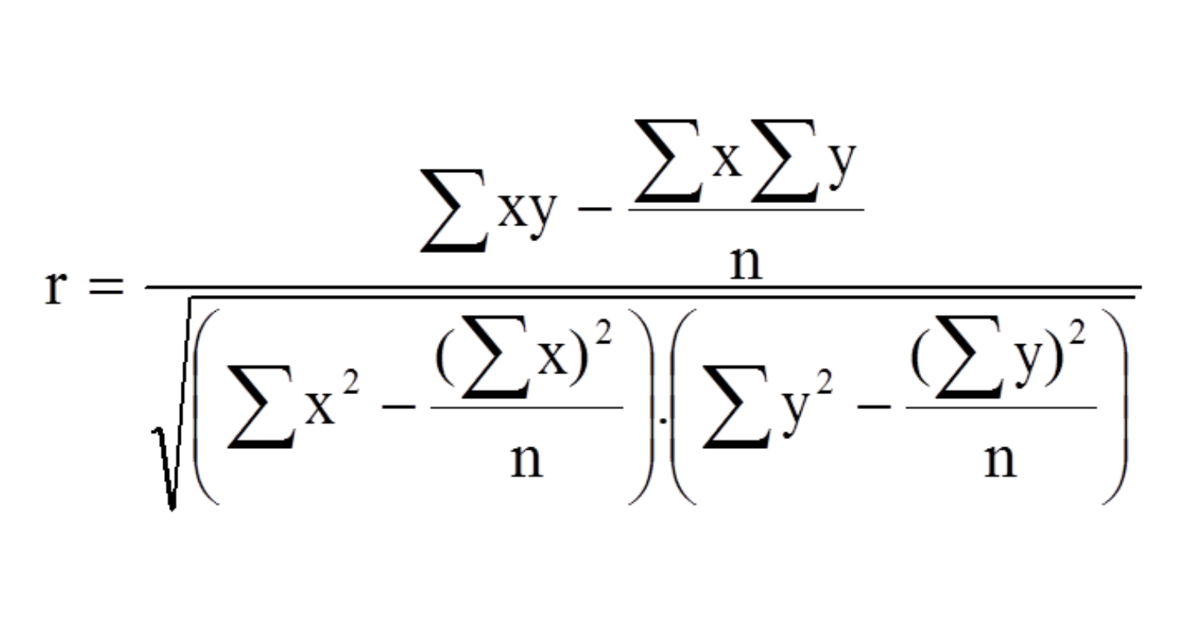

 | x | y
 | 1 | 500
 | 2 | 495
 | 3 | 425
 | 4 | 705
 | 5 | 400
 | 6 | 398
 | 7 | 378
 | 8 | 359
 | 9 | 324
 | 10 | 313

 | corrolation | -0.66807274105

Suppose we use the Oxygen Purity data, find a 95% prediction interval on the next observation of oxygen purity at x = 1.00%.

Sheet2
Observation Number | Pull Strength (y) | Wire Length (x1) | Die Height (x2) | x1*x2 | x1^2 | x2^2
1 | 9.95 | 2 | 50 | 100 | 4 | 2500 | SUMMARY OUTPUT
2 | 24.45 | 8 | 110 | 880 | 64 | 12100
3 | 31.75 | 11 | 120 | 1320 | 121 | 14400 | Regression Statistics
Wire Length (x1) Residual Plot
Die Height (x2) Residual Plot
4 | 35 | 10 | 550 | 5500 | 100 | 302500 | Multiple R | 0.99562903794
5 | 25.02 | 8 | 295 | 2360 | 64 | 87025 | R Square | 0.99127718119
6 | 16.86 | 4 | 200 | 800 | 16 | 40000 | Adjusted R Square | 0.98898170255
7 | 14.38 | 2 | 375 | 750 | 4 | 140625 | Standard Error | 1.6742798818
8 | 9.6 | 2 | 52 | 104 | 4 | 2704 | Observations | 25
9 | 24.35 | 9 | 100 | 900 | 81 | 10000
10 | 27.5 | 8 | 300 | 2400 | 64 | 90000 | ANOVA
11 | 17.08 | 4 | 412 | 1648 | 16 | 169744 |  | df | SS | MS | F | Significance F
12 | 37 | 11 | 400 | 4400 | 121 | 160000 | Regression | 5 | 6052.6836547 | 1210.5367309 | 431.83899259 | 7.1492662965E-19
13 | 41.95 | 12 | 500 | 6000 | 144 | 250000 | Residual | 19 | 53.261049332 | 2.8032131227
x1*x2 Residual Plot
14 | 11.66 | 2 | 360 | 720 | 4 | 129600 | Total | 24 | 6105.944704
x1^2 Residual Plot
15 | 21.65 | 4 | 205 | 820 | 16 | 42025
Wire Length (x1) Line Fit Plot
16 | 17.89 | 4 | 400 | 1600 | 16 | 160000 |  | Coefficients | Standard Error | t Stat | P-value | Lower 95% | Upper 95% | Lower 95.0% | Upper 95.0%
17 | 69 | 20 | 600 | 12000 | 400 | 360000 | Intercept | 6.4689423071 | 1.4438373449 | 4.4803816233 | 0.00025634893107 | 3.4469560136 | 9.4909286007 | 3.4469560136 | 9.4909286007
Die Height (x2) Line Fit Plot
18 | 10.3 | 1 | 585 | 585 | 1 | 342225 | Wire Length (x1) | 1.6561823463 | 0.26995121453 | 6.1351172255 | 6.7480108827E-06 | 1.0911679608 | 2.2211967318 | 1.0911679608 | 2.2211967318
19 | 34.93 | 10 | 540 | 5400 | 100 | 291600 | Die Height (x2) | 0.016656793553 | 0.0087005979804 | 1.9144423855 | 0.070745393855 | -0.0015537673081 | 0.034867354413 | -0.0015537673081 | 0.034867354413
x1*x2 Line Fit Plot
20 | 46.59 | 15 | 250 | 3750 | 225 | 62500 | x1*x2 | 0.0014819170125 | 0.00046289331565 | 3.2014223632 | 0.0046991809443 | 0.00051307016823 | 0.0024507638568 | 0.00051307016823 | 0.0024507638568
21 | 44.88 | 15 | 290 | 4350 | 225 | 84100 | x1^2 | 0.026602917255 | 0.015046140783 | 1.7680890827 | 0.09310074465 | -0.0048890173292 | 0.058094851839 | -0.0048890173292 | 0.058094851839
Normal Probability Plot
x1^2 Line Fit Plot
22 | 54.12 | 16 | 510 | 8160 | 256 | 260100 | x2^2 | -2.6427826385E-05 | 1.4783327801E-05 | -1.7876777638 | 0.089790081958 | -5.7369687077E-05 | 4.5140343077E-06 | -5.7369687077E-05 | 4.5140343077E-06
23 | 56.63 | 17 | 590 | 10030 | 289 | 348100
x2^2 Line Fit Plot
24 | 22.13 | 6 | 100 | 600 | 36 | 10000 | y = 6.47 + 1.66x1 + 0.02x2 + 0.0015x1x2 + 0.0267x1^2 + -0.0000264x2^2 |  |  |  |  |  | alpha = 0.1 |  | p value < alpha = reject H0
x2^2 Residual Plot
25 | 21.15 | 5 | 400 | 2000 | 25 | 160000 | y=6.47 + 1.66x1 + 0.0015x1x2 |  |  |  |  |  | alpha = 0.05
 |  |  |  |  |  |  | RESIDUAL OUTPUT |  |  |  |  | PROBABILITY OUTPUT

 |  |  |  |  |  |  | Observation | Predicted Pull Strength (y) | Residuals | Standard Residuals |  | Percentile | Pull Strength (y)
 |  |  |  |  |  |  | 1 | 10.802680482 | -0.85268048169 | -0.57238347038 |  | 2 | 9.6
 |  |  |  |  |  |  | 2 | 24.237545344 | 0.2124546555 | 0.14261559356 |  | 6 | 9.95
 |  |  |  |  |  |  | 3 | 31.480286087 | 0.26971391268 | 0.18105232695 |  | 10 | 10.3
 |  |  |  |  |  |  | 4 | 35.008420037 | -0.0084200370902 | -0.0056521641505 |  | 14 | 11.66
 |  |  |  |  |  |  | 5 | 27.532184438 | -2.5121844384 | -1.6863677285 |  | 18 | 14.38
 |  |  |  |  |  |  | 6 | 16.979097634 | -0.1190976336 | -0.079947317079 |  | 22 | 16.86
 |  |  |  |  |  |  | 7 | 13.529040925 | 0.85095907497 | 0.57122793232 |  | 26 | 17.08
 |  |  |  |  |  |  | 8 | 10.83653046 | -1.2365304603 | -0.83005253583 |  | 30 | 17.89
 |  |  |  |  |  |  | 9 | 26.264546124 | -1.9145461243 | -1.2851878029 |  | 34 | 21.15
 |  |  |  |  |  |  | 10 | 27.596122303 | -0.096122303133 | -0.064524541877 |  | 38 | 21.65
 |  |  |  |  |  |  | 11 | 18.338151587 | -1.2581515869 | -0.84456626724 |  | 42 | 22.13
 |  |  |  |  |  |  | 12 | 36.860601159 | 0.13939884105 | 0.093575019157 |  | 46 | 24.35
 |  |  |  |  |  |  | 13 | 40.786892803 | 1.1631071972 | 0.78076530221 |  | 50 | 24.45
 |  |  |  |  |  |  | 14 | 13.526098297 | -1.8660982973 | -1.2526659662 |  | 54 | 25.02
 |  |  |  |  |  |  | 15 | 17.038503593 | 4.6114964068 | 3.0955843058 |  | 58 | 27.5
 |  |  |  |  |  |  | 16 | 18.324650788 | -0.43465078796 | -0.29177040141 |  | 62 | 31.75
 |  |  |  |  |  |  | 17 | 68.496818919 | 0.50318108148 | 0.33777310473 |  | 66 | 34.93
 |  |  |  |  |  |  | 18 | 9.7186103667 | 0.58138963325 | 0.39027258518 |  | 70 | 35
 |  |  |  |  |  |  | 19 | 34.981723708 | -0.051723707908 | -0.034720855079 |  | 74 | 37
 |  |  |  |  |  |  | 20 | 45.36698192 | 1.2230180798 | 0.8209820066 |  | 78 | 41.95
 |  |  |  |  |  |  | 21 | 46.35156282 | -1.4715628199 | -0.9878239878 |  | 82 | 44.88
 |  |  |  |  |  |  | 22 | 53.491736557 | 0.62826344337 | 0.42173782296 |  | 86 | 46.59
 |  |  |  |  |  |  | 23 | 57.803894748 | -1.1738947481 | -0.78800672022 |  | 90 | 54.12
 |  |  |  |  |  |  | 24 | 19.654292705 | 2.4757072949 | 1.6618815178 |  | 94 | 56.63
 |  |  |  |  |  |  | 25 | 20.813026195 | 0.33697380543 | 0.22620224143 |  | 98 | 69

